1. Title Page
 | Instacart Basket Analysis
Project Name: instacart Analysis
Date: 12.12.2023
Analyst Name: Bente Bruun

Contents:
Population Flow | Tab 2
Consistency checks | Tab 3
Wrangling steps | Tab 4
Column derivations | Tab 5
Visualizations | Tab 6
Recommendations | Tab 7

Data Set | Comment | Link

“The Instacart Online Grocery Shopping Dataset 2017”, Accessed from www.instacart.com/datasets/grocery-shopping-2017 via Kaggle on 12.12.2023. | The columns 'prices' and 'products' were added to the original data set for learning purposes of the Career Foundry course. | www.instacart.com/datasets/grocery-shopping-2017

List of Regions of the United States via Wikipedia | Article used to help group states by Region | https://simple.wikipedia.org/wiki/List_of_regions_of_the_United_States

2. Population Flow
Population flow

Orders_products_combined
Orders_products_merged
Orders_products_all

Total: 32,404,859
Total:
Total:
32,434,489 | 32404859

3. Consistency checks
Consistency checks

Dataset | Column | Missing values | Missing values treatment | Duplicates
orders | days_since_last_order | 206209 | created a flag colum and kept the missing values | 0
products | product_name | 16 | removed the rows | 5
orders_products_prior | N/A | No missing values found | No treatment required | 0
customers | First Name | 11,259 NaN Values | Column was dropped for privacy pourposes and its irrelevancy to this analysis | 0
ords_prods_merge | prices | 5,127 nAn entries | i created the nAn entries out of high outliers | 0

4. Wrangling steps
Wrangling steps

Columns dropped | Columns renamed | Columns' type changed | Comment/Reason
 |  | user_id(ords_prods_merge_pkl) | changed from integer to string ( they don’t represent real numeric values, rather, keys related to specific orders and users)
 | days_since_prior_order |  | changed to days_since_last_order (more intuitive) in df_ords
 | order_dow |  | changed to orders_day_of_week (better to understand) in df_ords
eval_set |  |  | from df_ords, because not needed
Unnamed: 0 (df_ords_prods_merged from orders_products_combined.pkl) |  |  | dropped before merging because unuseful columns. in order to save time and reduce the costs of the merging command
Unnamed: 0.1 (df_ords_prods_merged from orders_products_combined.pkl) |  |  | dropped before merging because unuseful columns. in order to save time and reduce the costs of the merging command
_merge (df_ords_prods_merged from orders_products_combined.pkl) |  |  | dropped before merging because unuseful columns. in order to save time and reduce the costs of the merging command
 | user_id to User Id | user_id (table cust from customers.csv) | changed from integer to string ( they don’t represent real numeric values, rather, keys related to specific orders and users)
 | STATE to State | State (table cust from customers.csv) | consistent logic, better understanding, better readability
 | date_joined to Joining Date | Joining Date (table cust from customers.csv) | consistent logic, better understanding, better readability
 | n_dependants to Dependants |  | consistent logic, better understanding, better readability
 | fam_status to Family Status | Family Status (table cust from customers.csv) | consistent logic, better understanding, better readability
 | income to Income |  | consistent logic, better understanding, better readability
First Name (from Customers) |  |  | PII - Security risk (vulnearable Data)
Surname (from Customers) |  |  | PII - Security risk (vulnearable Data)
 | user_id to User Id (from ords_prods_merge_4.8.pkl) |  | i changed it to be able to merge with customer data sets "User Id" colum

5. Column derivations
Column derivations and aggregations

Dataset | New column | Column/s it was derived from | Conditions
orders_wrangled.csv | customer_type | days_since_last_order | df_ords['customer_type'] = np.where(df_ords ['days_since_last_order'].isnull(), 'new_customer', 'returning_customer') | ***FIND THE NOTES FURTHER DOWN IN THIS COLUM***
orders_products_combined.pkl AND products_checked.csv | _merge | product_id | df_merged = df_prods.merge(df_ords_prods_merged, on = 'product_id', indicator = True)
ords_prods_merged from orders_products_merged_2 | busiest_day | orders_day_of_week | ords_prods_merge['busiest_day']= result*
ords_prods_merged from orders_products_merged_2 | busiest_days | orders_day_of_week | ords_prods_merge['busiest_day']= result*
ords_prods_merged from orders_products_merged_2 | busiest_period_of_day | order_hour_of_day | ords_prods_merge['busiest_period_of_day']= order_frequency**
ords_prods_merge.pkl | loyalty_flag | max_order | df.loc[df['max_order'] > 40, 'loyalty_flag'] = 'Loyal customer' df.loc[(df['max_order'] <= 40) & (df['max_order'] > 10), 'loyalty_flag'] = 'Regular customer' df.loc[df['max_order'] <= 10, 'loyalty_flag'] = 'New customer'
ords_prods_merge.pkl | spending_type | user_mean_price
ords_prods_merge.pkl | order_frequency | days_since_last_order
ords_prods_custs_merge | activity_flag | max_order | df.loc[df['max_order'] <5, 'activity_flag'] = 'low activity' df.loc[df['max_order'] >=5, 'activity_flag'] = 'normal activity'
ords_prods_custs_merge | Region | State | Using the .loc function, “state” was divided by region. Four .loc functions were created dividing regions into ‘Northeast’, ‘West’, Midwest’, and ‘South’ and placed under the flag ‘'regional_flag'’*** https://simple.wikipedia.org/wiki/List_of_regions_of_the_United_States
ords_prods_custs_merge | Customer_activity | max_order | Separated customers into active > 5 orders low_activity < 5 orders
ords_prods_custs_merge | age_group | Age | Clients were grouped by age using the .loc function.
ords_prods_custs_merge | income_group | income' | Clients were grouped by income

 |  |  |  | *result = []
 |  |  |  | for value in ords_prods_merge["orders_day_of_week"]:
 |  |  |  | if value == 0:
 |  |  |  | result.append("Busiest day")
 |  |  |  | elif value == 4:
 |  |  |  | result.append("Least busy")
 |  |  |  | else:
 |  |  |  | result.append("Regularly busy")

 |  |  |  | **order_frequency = [] for value in ords_prods_merge["order_hour_of_day"]: if value == 10 or value == 11 or value == 14 or value == 15 or value ==13 or value == 12 or value == 16 or value == 9: order_frequency.append("Most orders") elif value == 17 or value == 8 or value == 18 or value == 19 or value == 20 or value == 7 or value == 21 or value == 22: order_frequency.append("Average orders") else: order_frequency.append("Fewest orders")

 |  |  |  | *** states = ['Maine', 'New Hampshire', 'Vermont', 'Massachusetts', 'Rhode Island', 'Connecticut', 'New York', 'Pennsylvania', 'New Jersey'] df.loc[df['State'].isin(states), 'Region'] = 'Region 1' states = ['Wisconsin', 'Michigan', 'Illinois', 'Indiana', 'Ohio', 'North Dakota', 'South Dakota', 'Nebraska', 'Kansas', 'Minnesota', 'Iowa', 'Missouri'] df.loc[df['State'].isin(states), 'Region'] = 'Region 2' states = ['Delaware', 'Maryland', 'District of Columbia', 'Virginia', 'West Virginia', 'North Carolina', 'South Carolina', 'Georgia', 'Florida', 'Kentucky', 'Tennessee', 'Mississippi', 'Alabama', 'Oklahoma', 'Texas', 'Arkansas', 'Louisiana'] df.loc[df['State'].isin(states), 'Region'] = 'Region 3' states = ['Idaho', 'Montana', 'Wyoming', 'Nevada', 'Utah', 'Colorado', 'Arizona', 'New Mexico', 'Alaska', 'Washington', 'Oregon', 'California', 'Hawaii'] df.loc[df['State'].isin(states), 'Region'] = 'Region 4'

6. Visualizations
Orders Hour of Day
Prices of Orders
Number | Questions | Visualizations | Answer
1 | what are the busiest days of the week and hours of the day? | 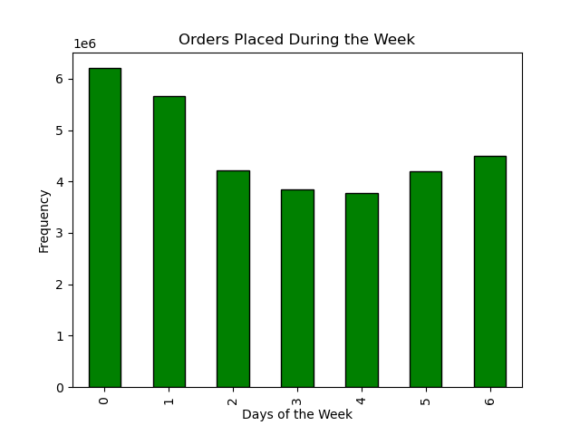 | The data indicates that Saturdays and Sundays consistently exhibit the highest frequency of orders placed throughout the week. In contrast, mid-week days, specifically Tuesday and Wednesday, reflect comparatively lower occurrences of orders placed. Analysis reveals that the time frame between 10AM to 4PM witnesses the highest frequency of orders placed. Conversely, the hours spanning from midnight to 6AM demonstrate notably lower instances of order placement.
2 | Are there particular times of the day when people spend the most money? | 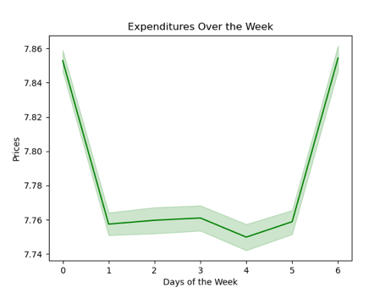 | on average, mid-week days exhibit the lowest sales compared to the heightened purchasing trend observed during weekends. Customers are more likely to purchase more expensive items at around 4 am and the least expensive items at 9am. Additionally the price of the orders placed throughout the week are more expensive on the weekend but the prices throughout the week are stagnant.
Frequency of Prices
3 | Use simpler price range groupings. | 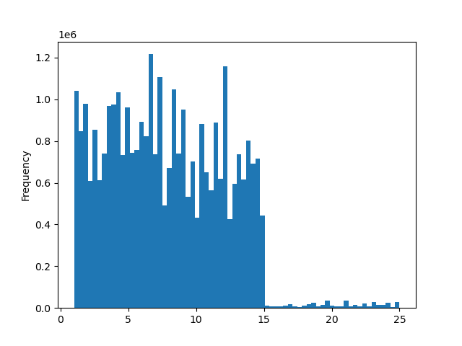 | The histogram illustrates the grouping of Instacart purchases according to their respective price ranges. Predominantly, a significant majority of purchased items fall within the price range between $2 and $15.
Brand loyality distribution
4 | Are there certain types of products that are more popular than others? Which departments have the highest frequency of product orders? | 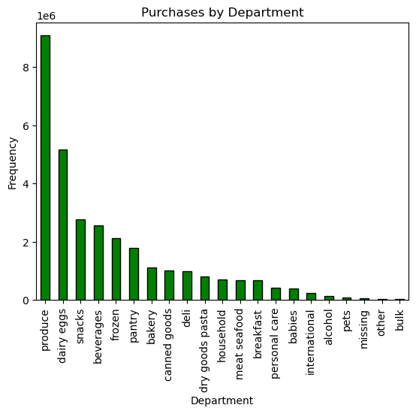 | The departments "produce", "dairy eggs" and "snacks" have the higehst frequency of order.
5 | What’s the distribution among users in regards to their brand loyalty (i.e., how often do they return to Instacart)? | 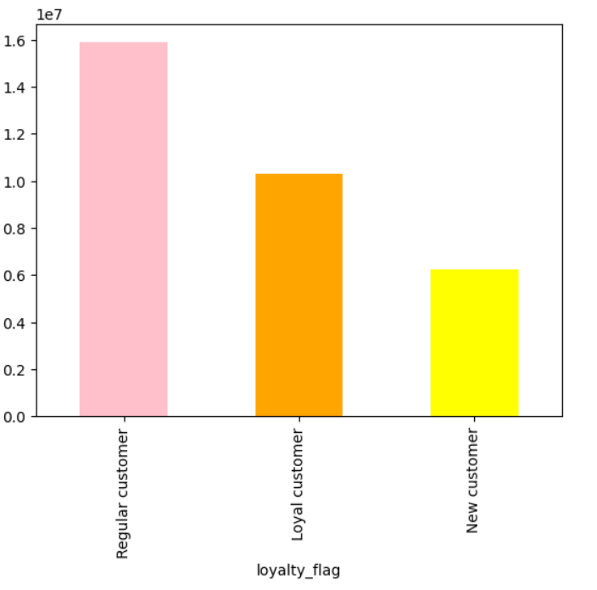 | Among returning customers, the largest segment consists of regular customers, followed by loyal customers. Interestingly, within the newer customer segment, there is a notable inclination towards brand loyalty
6 | Is there a connection between age and income? | 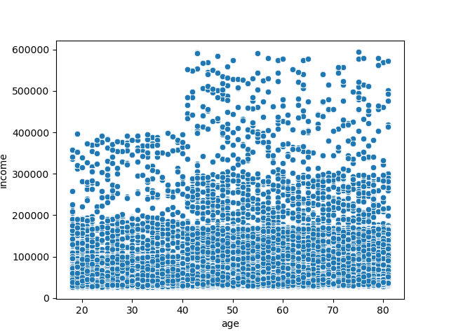 | The 'Age and Income' scatterplot shows most people earn under 200,000. But, among older individuals (ages 40-80), there are more outliers with higher incomes than younger ones (ages 20-39). When someone reaches 40, their income potential can increase from 400,000 to 600,000. This suggests a link between age and income in the graph.
7 | Whats the distribution of customer profiles per region? | 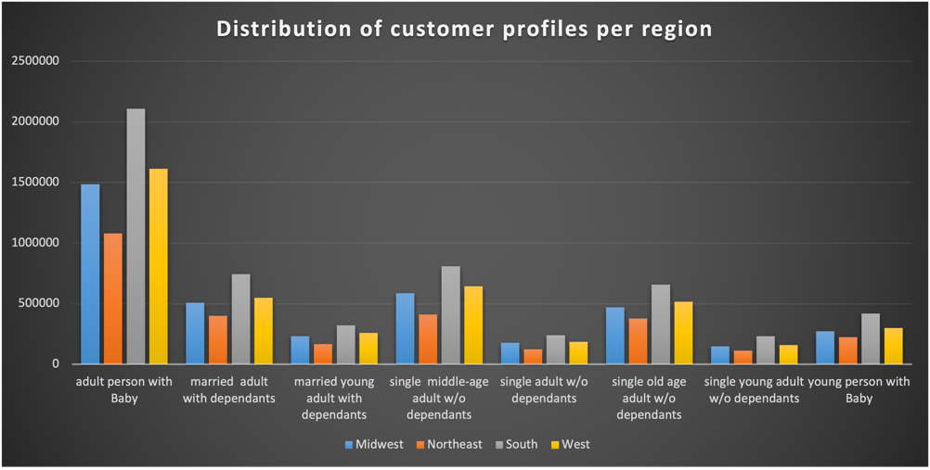 | Based on the profiles I created, the adult person with baby is the biggest group followed by adults with dependants and married young adult with dependants.
8 | Which customer Profile is responsible for the highest sum of prices? | 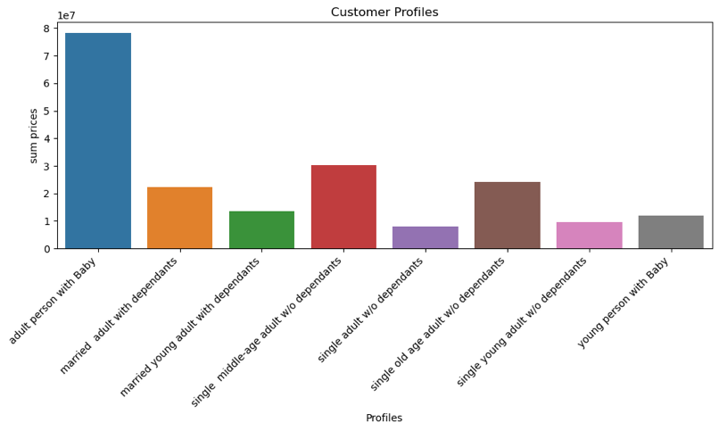 | adult persons with Baby are responsible for the biggest sum of prices, followed by singe middle age adult without dependants and single old age adult without dependants
9 | Whats the distribution of customer profiles based on Departments?? | 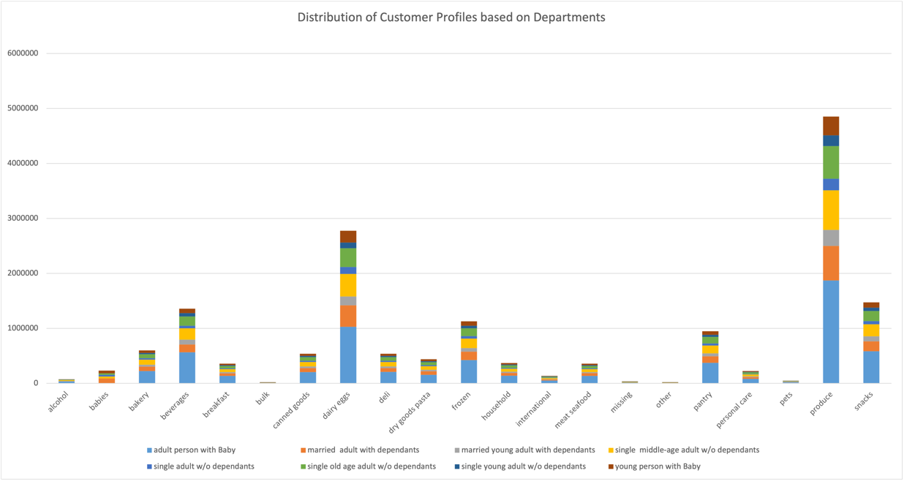 | "Produce", "Dairy eggs" , "Snacks" and "Beverages" are the top Departments for the chosen customer profiles.
10 | Distribution of Age and Income? | 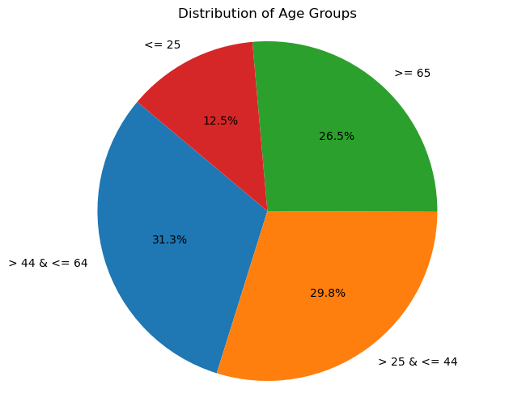 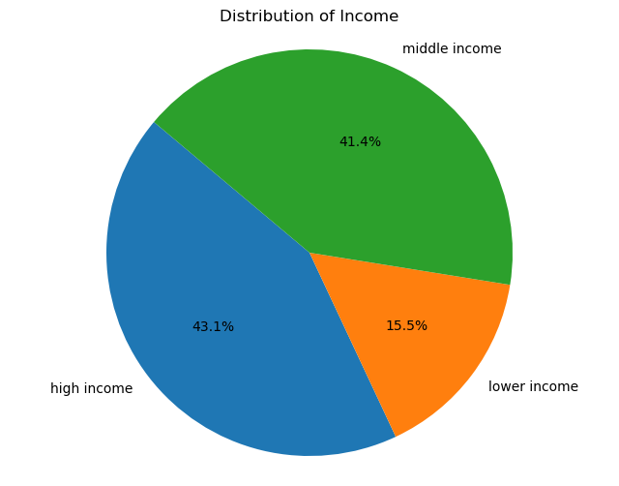 | Most customers are between 44 and 64 years old, followed by people between 25 and 44. Most customers have a high income, followed by a middle income.
11 | Are there differences in ordering habits based on a customer’s region? | 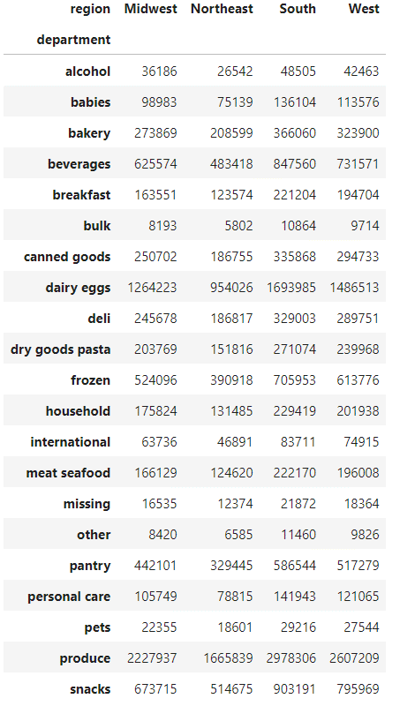 | Different Departments have different ordering frequencies in different regions.

7. Recommendations
Recommendations

Question 1
what are the busiest days of the week and hours of the day?
Answer:

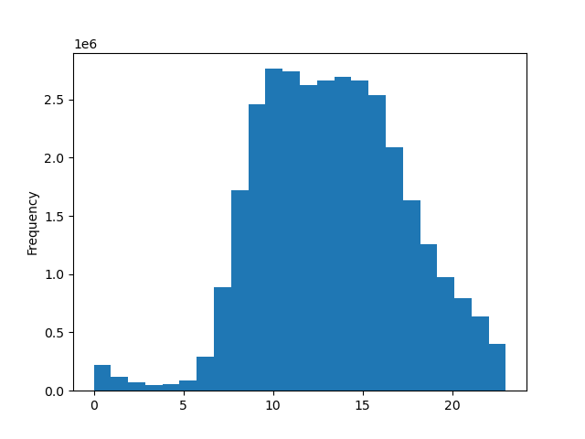 | Busiest days for Instacart: Saturday, then Sunday. Peak order placement hours: 10 am to 3 pm. Least busy days: Wednesday and Tuesday.. Least active order hours: Midnight to 6 am.

Recommondation:
I would recommend to target ads during the week and later in the evening to increase weekday shopping and increase flow of orders in the evening.

Question 2
Are there particular times of the day when people spend the most money?
Answer:

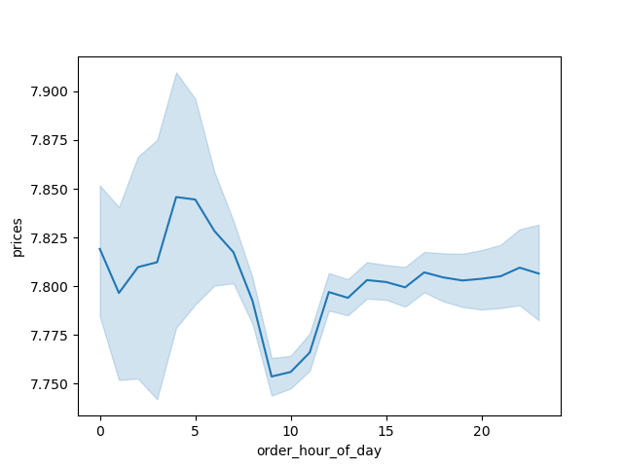 | Consumer ordering habits: Average spending reflects weekend purchasing patterns, dipping notably during mid-week. Average spending variability throughout the day contrasts with order placement patterns. Early morning hours exhibit relatively higher average sales compared to mid-day sales. Despite this, mid-day hours might have more frequent order placements.

Recommondation:
I would recommend to target ads during the week and later in the evening to increase weekday shopping and increase flow of orders in the evening.

Question 3:

What would be simpler price range groupings?

Answer:

 | Distribution of pricing: Skewed to the left, centered around or below $15.

Recommondation:
Simplify price range: Incremental groups of $1-5, $6-10, $11-15, >$15 would make it easy for shoppers by organizing items based on prices that people buy most often
Items priced above $16 should be placed in a separate category due to lower purchase frequency

Question 4:
Are there certain types of products that are more popular than others? Which departments have the highest frequency of product orders?

Answer:

 | The highest placed orders is that or Produce, dairy eggs, and Snacks

Recommodation:
It could make sense to offer special deals for products from departments with low sells numbers. Like discounts or pushing theyr visibality through ads or petter product placements in the shop

Question 5:

What’s the distribution among users in regards to their brand loyalty (i.e., how often do they return to Instacart)? Are there differences in ordering habits based on a customer’s loyalty status? Are there differences in ordering habits based on a customer’s region?

 | Largest segment - regular customers, then loyal customers. Newer customers: Notably inclined towards brand loyalty.

Recommondations:

Ist advisable to target customers who are new to Instacart in order to keep them as at least regular customers. Maybe special offers for them would be an option to increase chances of coming back.

Question 6: | Users by Income: Most common Instacart user earns $67,000 to $128,000 annually.

Which User Profile Information can be collected? | Users by Income: Most common Instacart user earns $67,000 to $128,000 annually.

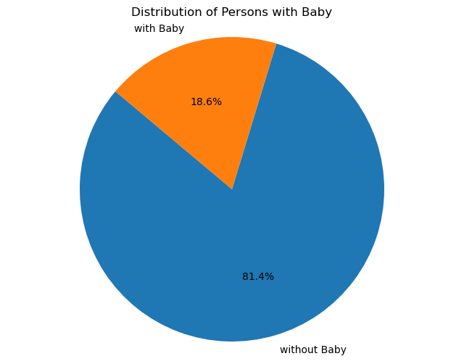
 | Users by Age: Instacart users nearly evenly distributed across different age groups except <25

 | mean price is the highest für single young adult w/o dependants, followed by married adult with dependants and adult person with baby

 | mean order frequency most high for single young adult w/o dependants followed by married adult with dependants and adult person with baby.

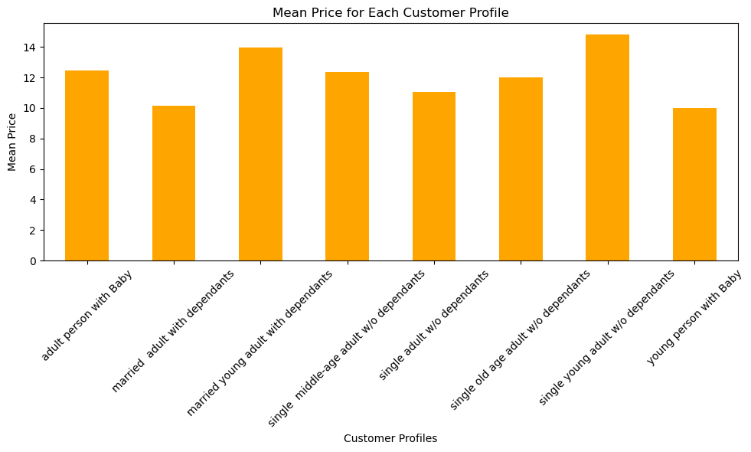
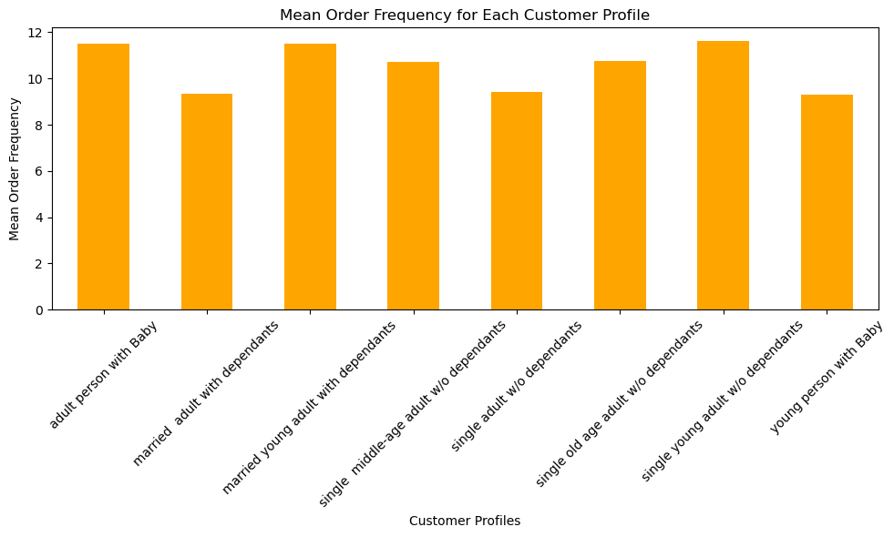

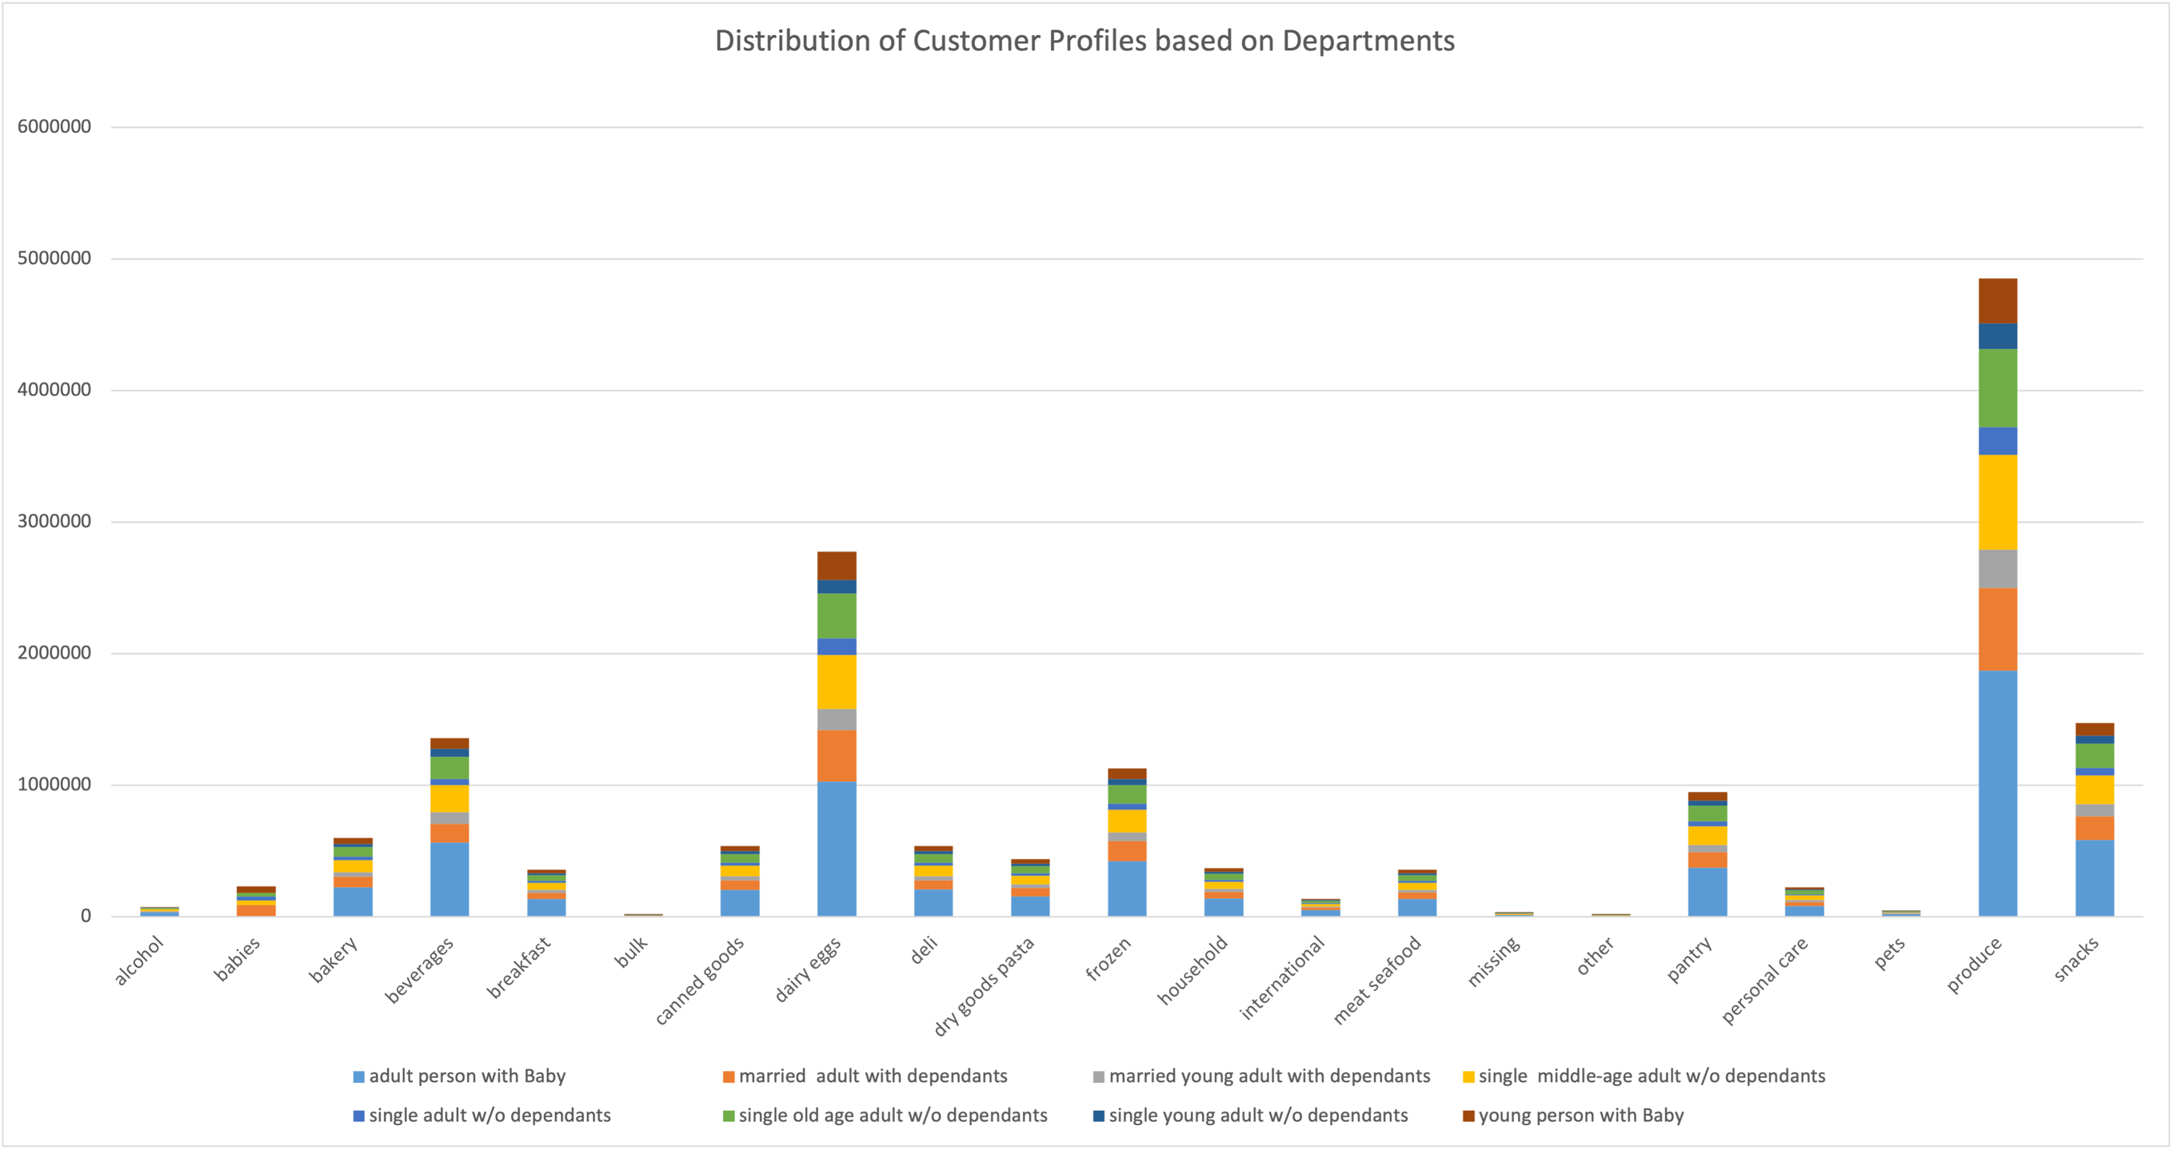

Recommondation:

Marketing should consider targeting ads for the agre group ">0 25" .
Would be advisible to target people with baby through special deals or ads for baby related goods.
Since individuals over 40 have a higher spending power, the sales/marketing team should ensure to target those particular individuals.
It would make sense to investigate if certain departments ( for example pets or bulk etc.) could improve their sells by adding goods to their sortiment, adding a bigger variety of cheap and expensive goods, targeting ads or special deals. Another idea would be to ask customers for their opinion, which goods they find missing, which wishes they have etc.

